INFO
* Statistics Finland, National Accounts
* Version: 04/2024

* Reference year = 2018; values match the publications made in summer 2021.

* Main table (Data (Layer 1) -sheet) is linked to the data sheets (PROD_A21, Insurance, Other)
* Data sheets (PROD_A21, Insurance, Other) are compiled using SAS. Data is collected form the National Accounts IT-system (SQL-servers).
* Calculation method "Marketless" in data sheet PROD_21 refers to inversed calculation (P1 = B1GBH + P2)

* Data sheets include first the aggregated data which are linked to the main table. Under the aggregates, separated by an empty line, you'll find more detailed level of data (for example the breakdown of sectors).
* The use of insurance services is not separated in Finnish NA IT-system. However, the information is found from the supply and use tables. Thus, to keep the balance, the values from the Allocation of insurance -column are diminished from the largest source data cell (these are highlighted on the main data sheet).
* NACE value LL found from the data sheets = _L = Imputed rents of owner-occupied dwellings = NACE 68202/S14

* Example of possible rounding differences when compiling the process tables:

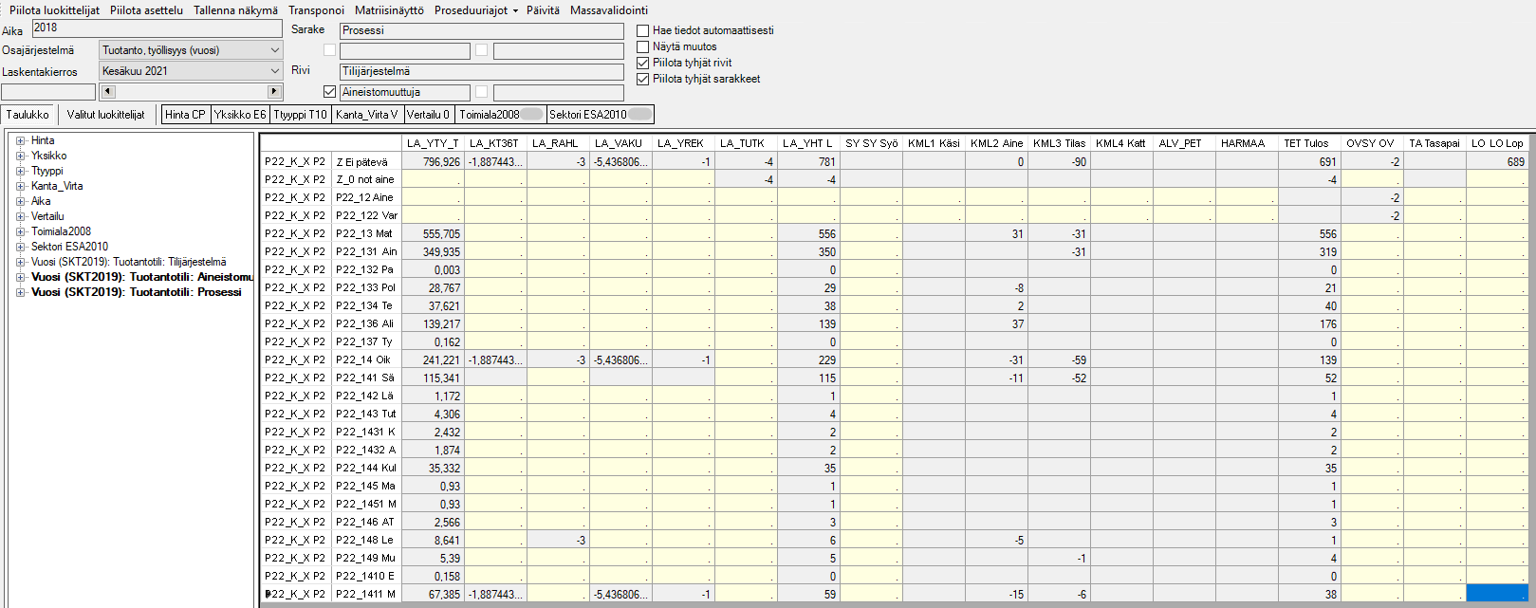
Aggregation direction for the Process Tables
The final result may vary depending on the aggregation and rounding direction and order of the most detailed level of data.
From the process tables point of view, the most detailed data must be aggregated and rounded first by the process direction (1a).
In the Finnish National Accounts IT-system, the sources are first summed and rounded by another dimension (1b).
In this example, if the aggregation and rounding would be made from the process tables point of view, the total sources (LA_YHT) -value would be 782 instead of 781.
For the process tables, the values have been collected in accordance by the red arrows (1a, 2a). The possible rounding difference compared to the outcome of the National Accounts IT-system has been added to the largest source so that the final results match the published figures.
1a.
1b.
2b.
2a.
Aggregation direction of the National Accounts IT-system

